Sheet1
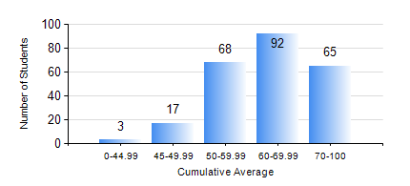
 |  |  | KWAME NKRUMAH UNIVERSITY OF SCIENCE AND TECHNOLOGY, KUMASI Department of Computer Engineering

 |  |  | BSC. COMPUTER ENG.

 |  |  | COMPREHENSIVE RECORD OF EXAMINATION RESULTS

 |  |  | RESULTS OF YEAR 3 SECOND SEMESTER, 2022/2023 ACADEMIC YEAR

 | Sn | Course Code |  | Course Name | Credit Hours | Min. Mark | Max. Mark | Avg. Mark | Std. Dev. | No. Passed | No. Trailed | No. (Df) | No. (I) | No. (I*) | No. Tagged(I,I*,Df) | Total
 | 0. |  |  |  |  |  |  | 0 | 0 | 0 | 0 | 0 | 0 | 0 | 0 | 11
 | 1. | COE 354 |  | OPERATING SYSTEMS | 4 | 14 | 94 | 67 | 14.97 | 226 | 7 | 0 | 1 | 0 | 1 | 234
 | 2. | COE 356 |  | INTRODUCTION TO SOFTWARE ENG. | 3 | 14 | 91 | 71 | 10.53 | 232 | 2 | 0 | 0 | 0 | 0 | 234
 | 3. | COE 358 |  | EMBEDDED SYSTEMS | 3 | 7 | 87 | 46 | 13.04 | 215 | 18 | 0 | 1 | 0 | 1 | 234
 | 4. | COE 368 |  | DATABASE AND INFORMATION RETRIEVAL | 3 | 0 | 90 | 57 | 11.16 | 229 | 4 | 0 | 1 | 0 | 1 | 234
 | 5. | COE 372 |  | DIGITAL SYSTEMS DESIGN II | 3 | 11 | 90 | 55 | 16.88 | 202 | 32 | 0 | 0 | 0 | 0 | 234
 | 6. | COE 392 |  | AUTOTRONIC LAB. | 2 | 16 | 92 | 72 | 13.03 | 223 | 3 | 8 | 0 | 0 | 8 | 234

